Sheet1
VT14-GREEN SKU |  | VT-16 Bottle Green |  | V19 BLACK |  | VT12- BLACK SKU |  | VT17 Black |  | VT11-NAVY SKU |  | VT11-BLACK SKU |  | VT13-GREEN SKU |  | VT 10 NAVY |  | VT 10 BLACK
VT14 30R | 60 | Size | QTY | 28 | 49 | VT12 10R | 2 | 8R | 177 | VT11 44S | 6 | VT11 52T | 6 | VT13 34T | 22 | SIZE | QTY | SIZE | QTY
VT14 28T | 6 | 28R | 46 | 30 | 72 | VT12 16R | 72 | 10R | 86 | VT11 42S | 5 | VT11 52U | 6 | VT13 38R | 15 | 26T | 1 | 28R | 126
VT14 42U | 5 | 28T | 74 | 32 | 99 | VT12 16T | 29 | 12R | 135 | VT11 30R | 35 | VT11 52R | 6 | VT13 46R | 20 | 28S | 18 | 28T | 124
VT14 42T | 15 | 30R | 25 | 34 | 20 | VT12 26R | 102 | 14R | 175 | VT11 38S | 3 | VT11 46S | 6 | VT13 48T | 23 | 28R | 143 | 28U | 11
VT14 40T | 14 | 30T | 57 | 36 | 89 | VT12 28R | 116 | 16R | 139 | VT11 40S | 3 | VT11 40R | 65 | VT13 38T | 24 | 28T | 233 | 30S | 12
VT14 34R | 78 | 32R | 25 | 38 | 62 | VT12 18T | 39 | 18R | 69 | VT11 38T | 9 | VT11 32T | 69 | VT13 44T | 24 | 28U | 28 | 30R | 132
VT14 36R | 13 | 32T | 115 | 40 | 160 | VT12 10T | 20 | 20R | 139 | VT11 50T | 3 | VT11 38T | 36 | VT13 32R | 23 | 30S | 139 | 30T | 131
VT14 34T | 4 | 34R | 0 | 42 | 199 | VT12 14T | 43 | 22R | 122 | VT11 52T | 4 | VT11 42R | 41 | VT13 36T | 22 | 30R | 263 | 30U | 12
VT14 40S | 7 | 34T | 187 | 44 | 155 | VT12 30T | 5 | 24R | 202 | VT11 34T | 7 | VT11 48R | 2 | VT13 46T | 24 | 30T | 176 | 32S | 55
VT14 30T | 13 | 36R | 9 | 46 | 199 | VT12 20T | 24 | 26R | 5 | VT11 32T | 32 | VT11 38S | 4 | VT13 42T | 23 | 30U | 29 | 32R | 110
VT14 46R | 47 | 36T | 268 | 48 | 210 | VT12 12T | 48 | 28R | 48 | VT11 44R | 48 | VT11 48U | 4 | VT13 32T | 24 | 32S | 182 | 32T | 315
VT14 40R | 85 | 38R | 41 | 50 | 22 | VT12 20R | 128 | 30R | 30 | VT11 40R | 32 | VT11 50U | 6 | VT13 42R | 21 | 32R | 243 | 32U | 13
VT14 32T | 11 | 38T | 85 | 52 | 41 | VT12 8T | 70 | Grand Total | 1327 | VT11 36S | 6 | VT11 44U | 6 | VT13 48R | 24 | 32T | 315 | 34S | 79
VT14 50T | 6 | 40R | 46 |  | 1377 | VT12 18R | 147 |  |  | VT11 42T | 35 | VT11 46U | 5 | VT13 30T | 24 | 34S | 194 | 34R | 167
VT14 48T | 6 | 40T | 49 |  |  | VT12 14R | 36 |  |  | VT11 32U/H | 9 | VT11 34T | 53 |  |  | 34R | 227 | 34T | 281
VT14 44R | 67 | 42R | 87 |  |  | VT12 8R | 92 |  |  | VT11 40T | 16 | VT11 30T | 12 |  | 313 | 34T | 213 | 34U | 12
VT14 32S | 3 | 42T | 56 |  |  | VT12 22R | 34 |  |  | VT11 44T | 33 | VT11 40T | 12 |  |  | 34U | 6 | 36S | 77
VT14 36S | 4 | 44R | 76 |  |  | VT12 24R | 73 |  |  | VT11 38R | 5 | VT11 32R | 22 |  |  | 36S | 179 | 36R | 125
VT14 42S | 4 | 44T | 31 |  |  | VT12 12R | 26 |  |  | VT11 30T | 8 | VT11 44R | 19 |  |  | 36R | 154 | 36T | 338
VT14 38S | 5 | 46R | 38 |  |  | VT12 26S | 22 |  |  | VT11 48T | 3 | VT11 36R | 34 |  |  | 36T | 241 | 36U | 14
VT14 46S | 5 | 46T | 45 |  |  |  |  |  |  | VT11 34S | 4 | VT11 42T | 9 |  |  | 36U | 31 | 38S | 99
VT14 48R | 27 | 48R | 22 |  |  |  | 1128 |  |  | VT11 36R | 16 | VT11 44T | 12 |  |  | 38S | 111 | 38R | 167
VT14 38U | 14 | 48T | 26 |  |  |  |  |  |  | VT11 30S | 2 | VT11 28U | 6 |  |  | 38R | 187 | 38T | 137
VT14 52R | 20 | 50R | 12 |  |  |  |  |  |  | VT11 32S | 6 | VT11 34U | 6 |  |  | 38T | 135 | 38U | 12
VT14 50R | 1 | 50T | 0 |  |  |  |  |  |  | VT11 46U | 6 | VT11 30U | 6 |  |  | 38U | 12 | 40S | 70
VT14 32R | 2 | 52R | 12 |  |  |  |  |  |  | VT11 50U | 6 | VT11 38R | 60 |  |  | 40S | 98 | 40R | 172
VT14 30U | 6 | TOTAL | 1432 |  |  |  |  |  |  | VT11 44U | 6 | VT11 40S | 2 |  |  | 40R | 158 | 40T | 103
VT14 32U | 6 |  |  |  |  |  |  |  |  | VT11 36T | 24 | VT11 42S | 2 |  |  | 40T | 176 | 40U | 13
VT14 28R | 44 |  |  |  |  |  |  |  |  | VT11 46T | 12 | VT11 28R | 12 |  |  | 40U | 12 | 42R | 24
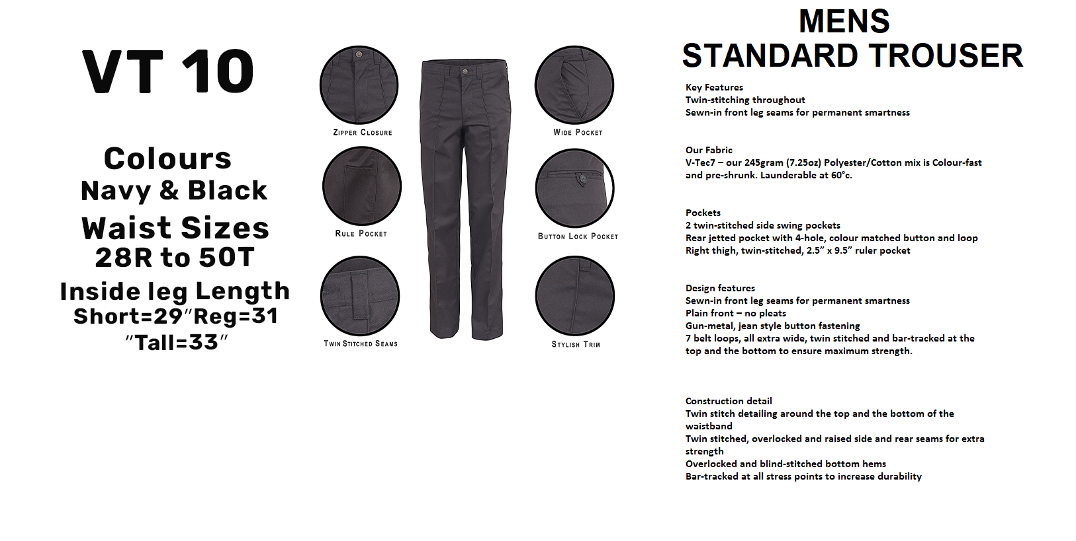
VT14 44U | 6 |  |  |  |  |  |  |  |  | VT11 46R | 24 | VT11 36T | 68 |  |  | 42S | 4 | 42T | 48
VT14 52U | 2 |  |  |  |  |  |  |  |  | VT11 42R | 48 | VT11 30S | 6 |  |  | 42R | 200 | 42U | 12
VT14 46U | 6 |  |  |  |  |  |  |  |  | VT11 48U | 6 | VT11 34S | 5 |  |  | 42T | 111 | 44S | 7
VT14 48U | 5 |  |  |  |  |  |  |  |  | VT11 28R | 12 | VT11 36S | 6 |  |  | 42U | 12 | 44R | 101
VT14 42R | 90 |  |  |  |  |  |  |  |  | VT11 48R | 6 | VT11 32S | 2 |  |  | 44S | 6 | 44T | 119
VT14 28U | 6 |  |  |  |  |  |  |  |  | VT11 50R | 6 | VT11 32U | 6 |  |  | 44R | 196 | 46S | 15
VT14 36U | 6 |  |  |  |  |  |  |  |  | VT11 46S | 6 | VT11 34R | 11 |  |  | 44T | 108 | 46R | 92
VT14 30S | 4 |  |  |  |  |  |  |  |  | VT11 32R | 6 |  |  |  |  | 44U | 1 | 46T | 92
VT14 38R | 6 |  |  |  |  |  |  |  |  | VT11 52U | 6 |  | 633 |  |  | 46S | 2 | 46U | 3
VT14 50U | 6 |  |  |  |  |  |  |  |  | VT11 34R | 2 |  |  |  |  | 46R | 121 | 48S | 8
VT14 44S | 2 |  |  |  |  |  |  |  |  | VT11 28U | 6 |  |  |  |  | 46T | 96 | 48R | 41
 |  |  |  |  |  |  |  |  |  | VT11 30U | 4 |  |  |  |  | 46U | 4 | 48T | 54
 | 717 |  |  |  |  |  |  |  |  | VT11 34U | 2 |  |  |  |  | 48R | 66 | 48U | 5
 |  |  |  |  |  |  |  |  |  |  |  |  |  |  |  | 48T | 86 | 50S | 12
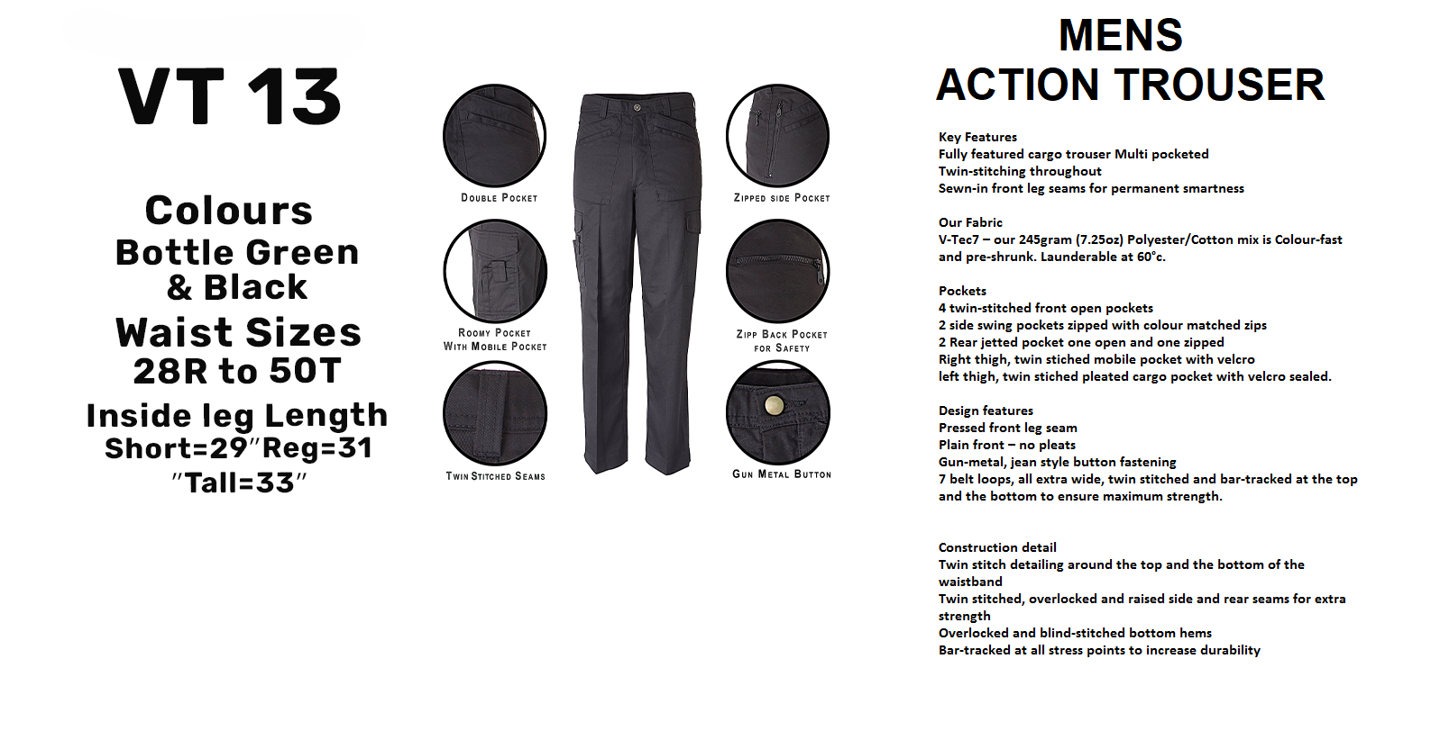
 |  |  |  |  |  |  |  |  |  |  | 518 |  |  |  |  | 48U | 5 | 50R | 54
 |  |  |  |  |  |  |  |  |  |  |  |  |  |  |  | 50S | 3 | 50T | 70
 |  |  |  |  |  |  |  |  |  |  |  |  |  |  |  | 50R | 68 | 50U | 5
 |  |  |  |  |  |  |  |  |  |  |  |  |  |  |  | 50T | 27 | 52S | 11
 |  |  |  |  |  |  |  |  |  |  |  |  |  |  |  | 50U | 9 | 52R | 32
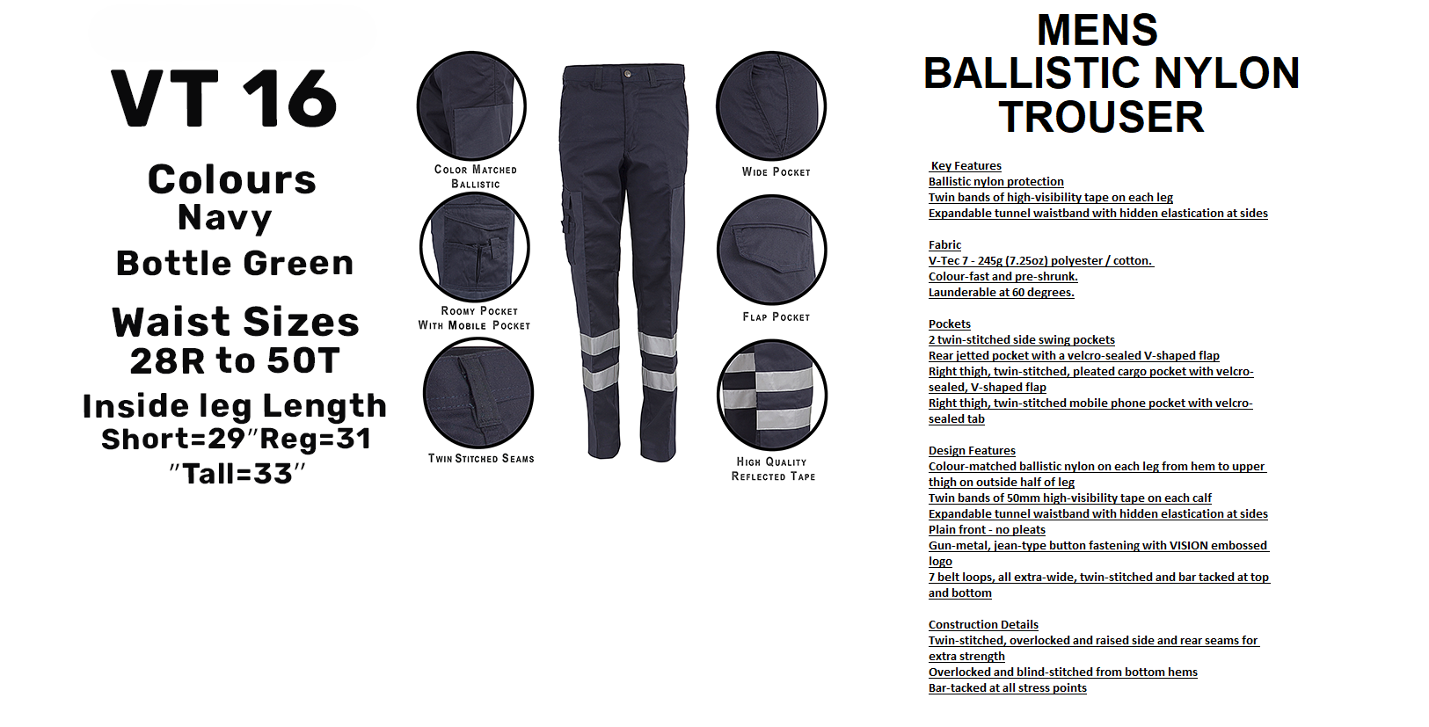
 |  |  |  |  |  |  |  |  |  |  |  |  |  |  |  | 52S | 6 | 52T | 44
 |  |  |  |  |  |  |  |  |  |  |  |  |  |  |  | 52R | 50 | 52U | 2
 |  |  |  |  |  |  |  |  |  |  |  |  |  |  |  | 52T | 44 |  | 3758
 |  |  |  |  |  |  |  |  |  |  |  |  |  |  |  | 52U | 10
 |  |  |  |  |  |  |  |  |  |  |  |  |  |  |  |  | 5139

